registration
 |  | IFAA OUTDOOR FLINT ROUND 2016 at Wexford Archery |  |  |  |  |  |  |  | 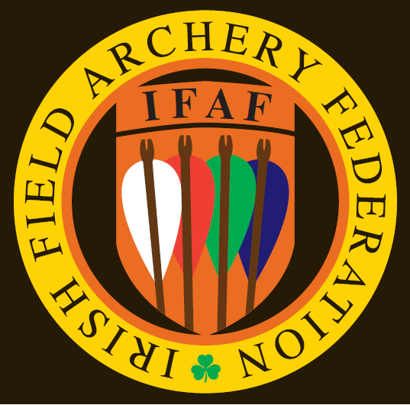

Name of archer | CLUB | Style | Age group | Gender | Round 1 |  | Round 2 |  | Round 3 |  | TOTAL
 |  |  |  |  | Score | "X" | Score | "X" | Score | "X" | Score | "X"
Lynn Ellingworth | Wexford Archery | AFBH-R | Adult | Female | 184 | 2 | 0 | 0 | 0 | 0 | 184 | 2
John Shiel | Wexford Archery | VMLB | Vetran | Male | 0 | 0 | 0 | 0 | 0 | 0 | 0 | 0
Jerome Doran | Wexford Archery | VMBB-C | Vetran | Male | 207 | 6 | 0 | 0 | 0 | 0 | 207 | 6
Sharon Eady | Dunbrody Archery Club | AFBH-R | Adult | Female | 111 | 0 | 0 | 0 | 0 | 0 | 111 | 0
Tony Eady | Dunbrody Archery Club | AMBH-R | Adult | Male | 152 | 0 | 0 | 0 | 0 | 0 | 152 | 0
Gerard Eady | Dunbrody Archery Club | JMBH-R | Junior | Male | 79 | 1 | 0 | 0 | 0 | 0 | 79 | 1
Corey Eady | Dunbrody Archery Club | CMBB-R | Cub | Male | 131 | 6 | 0 | 0 | 0 | 0 | 131 | 6
Olivia Eady | Dunbrody Archery Club | CFBB-R | Cub | Female | 100 | 2 | 0 | 0 | 0 | 0 | 100 | 2
John Hutchinson | Na Laoch Dall | AMBH-R | Adult | Male | 202 | 2 | 0 | 0 | 0 | 0 | 202 | 2
Darren Murphy | Warbow Ireland | AMBH-R | Adult | Male | 175 | 2 | 0 | 0 | 0 | 0 | 175 | 2
Ger Cullen | Dunbrody Archery Club | AMBH-R | Adult | Male | 158 | 3 | 0 | 0 | 0 | 0 | 158 | 3
Cornelia Schmindlen | BS Root-Zug (FAAS) | AFBH-R | Adult | Female | 152 | 0 | 0 | 0 | 0 | 0 | 152 | 0
Wellesley McGowan | Kilmore Archery Club (NIFAA) | VMFU | Vetran | Male | 264 | 19 | 0 | 0 | 0 | 0 | 264 | 19
Billy Cairns | Kilmore Archery Club (NIFAA) | VMFU | Vetran | Male | 256 | 15 | 0 | 0 | 0 | 0 | 256 | 15

