registration
 |  | 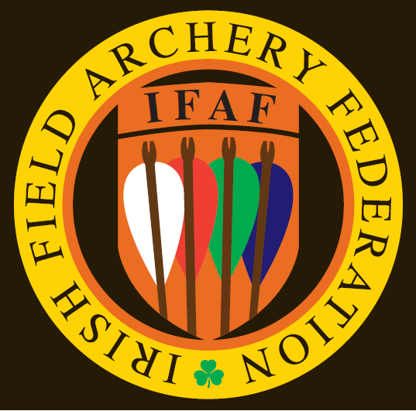 |  |  | IFAA OUTDOOR FLINT ROUND 2016

Name of archer | CLUB | Style | Age group | Gender | Round 1 |  | Round 2 |  | Round 3 |  | TOTAL
 |  |  |  |  | Score | "X" | Score | "X" | Score | "X" | Score | "X"
Lynn Ellingworth | Wexford Archery | AFBH-R | Adult | Female | 184 | 2 | 155 | 3 | 0 | 0 | 339 | 5
John Shiel | Wexford Archery | VMLB | Vetran | Male | 0 | 0 | 116 | 0 | 0 | 0 | 116 | 0
Jerome Doran | Wexford Archery | VMBB-C | Vetran | Male | 207 | 6 | 177 | 1 | 0 | 0 | 384 | 7
Sharon Eady | Dunbrody Archery Club | AFBH-R | Adult | Female | 111 | 0 | 84 | 0 | 0 | 0 | 195 | 0
Tony Eady | Dunbrody Archery Club | AMBH-R | Adult | Male | 152 | 0 | 108 | 0 | 0 | 0 | 260 | 0
Gerard Eady | Dunbrody Archery Club | JMBH-R | Junior | Male | 79 | 1 | 65 | 1 | 0 | 0 | 144 | 2
Corey Eady | Dunbrody Archery Club | CMBB-R | Cub | Male | 131 | 6 | 70 | 1 | 0 | 0 | 201 | 7
Olivia Eady | Dunbrody Archery Club | CFBB-R | Cub | Female | 100 | 2 | 96 | 0 | 0 | 0 | 196 | 2
Darren Murphy | Warbow Ireland | AMBH-R | Adult | Male | 175 | 2 | 0 | 0 | 0 | 0 | 175 | 2
Ger Cullen | Dunbrody Archery Club | AMBH-R | Adult | Male | 158 | 3 | 151 | 1 | 0 | 0 | 309 | 4

