Gains Info
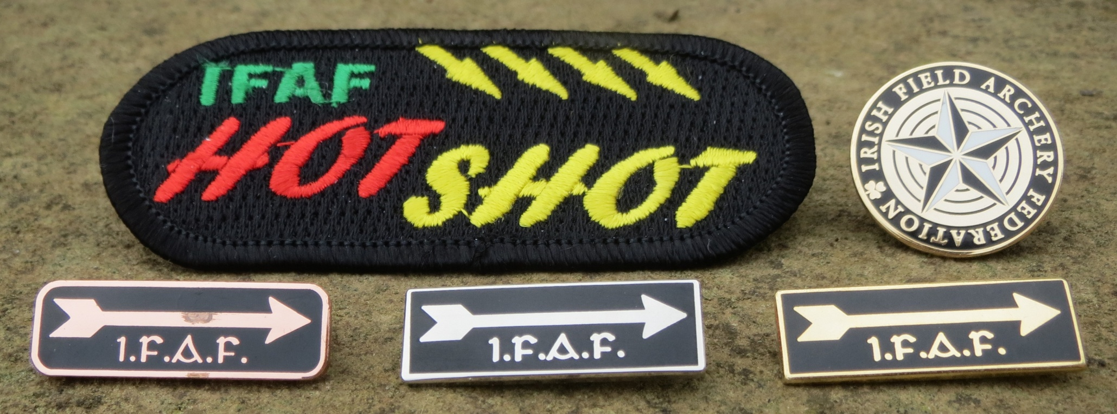
TERM | DESCRIPTION
Gain Award | Award presented for attaining two (2) scores in the same Gains range for a given disipline (Field/Hunter, Bowhunter (IFAA Animal) or SBG).
HOTSHOT | Award presented for attaining eight (8) GOLD Gain Scores for a given discipline (x3 Gold Gain Awards plus 2 more Gold Gain scores).
STAR | Award presented for attaining two (2) STAR Gain Scores for a given discipline. STAR Awards are only presented after HOTSHOT attained.
Score Transfer | STAR Gain scores can be downgraded to GOLD Gain Scores where Gold Gains are needed to receive GOLD Award(s) &/or HOTSHOT.
Carry-over | All gain scores are carried over at the end of the calendar year and will go towards Gain Awards achieved in the following calendar year.
Historical SBG Gains | Gains awarded under the previous, SB-only Gains system. Historical SBG gains count towards SBG Gain Awards under the new system.
Field-Hunter | Gains score ranges for the IFAA Field and Hunter rounds based on World, UKIFAC and IFAF Records, which supersede other Records/Scores. Calculated scores used were no Record or score available.
IFAA 'animal' rounds | Gains score ranges for the IFAA Animal Rounds (3D and Faces). Except for Marked Animal (Faces) no IFAA world records exist. 3D Rounds have score ranges based on WBHC 2013, EBHC 2014 and IFAF Records, which supersede IFAA Records/Scores. Calculated scores used were no Record or score available.
SBG | Gains score ranges for the SBG round based on existing IFAF Records or calculated where no record exists.
2016 UPDATE (Eff 1-Aug-16) | Where an IFAF Record is in place for a particular Round/Style/Division the benchmark score has been updated to list the domestic record.
2017 UPDATE (Eff 1-Jan-17) | IFAA Animal Rounds (Bowhunter) Gains split out into distinct disciplines: UAR (3D), MA (Paper or 3D), 3D Standard and 3D Hunting
2019 UPDATE | New IFAA Age Categories added, Young Adults, Seniors

