Sheet1
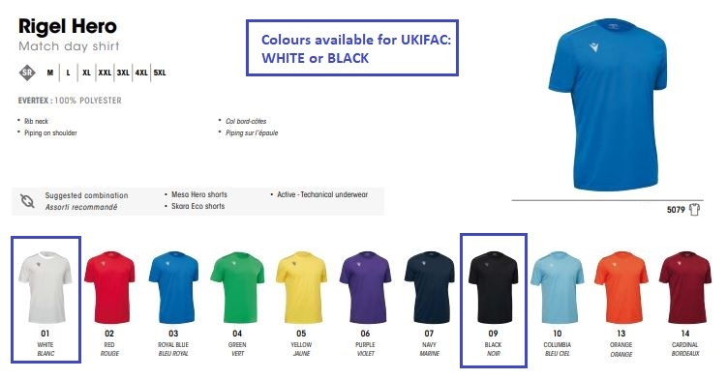
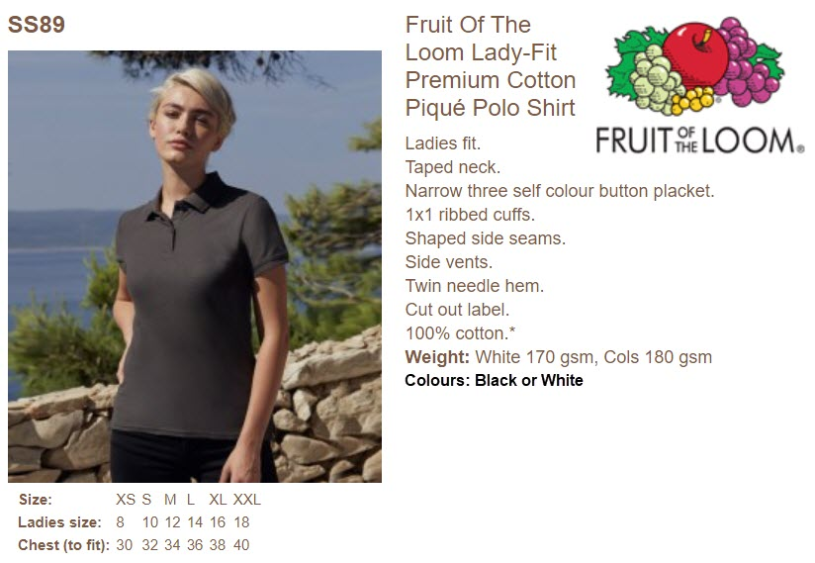
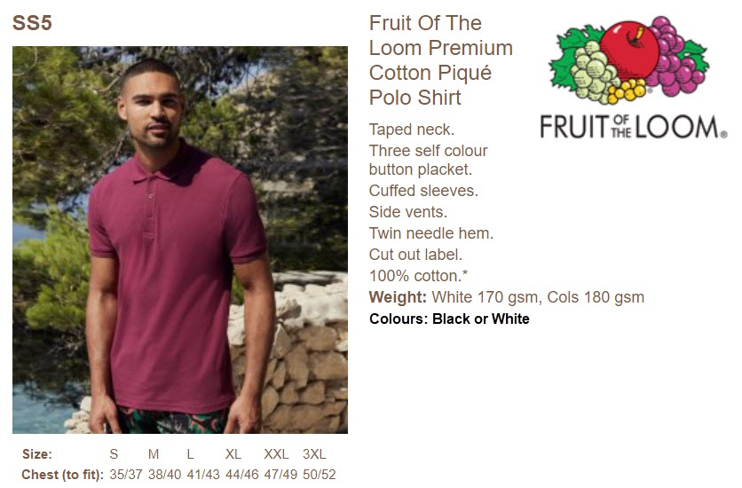
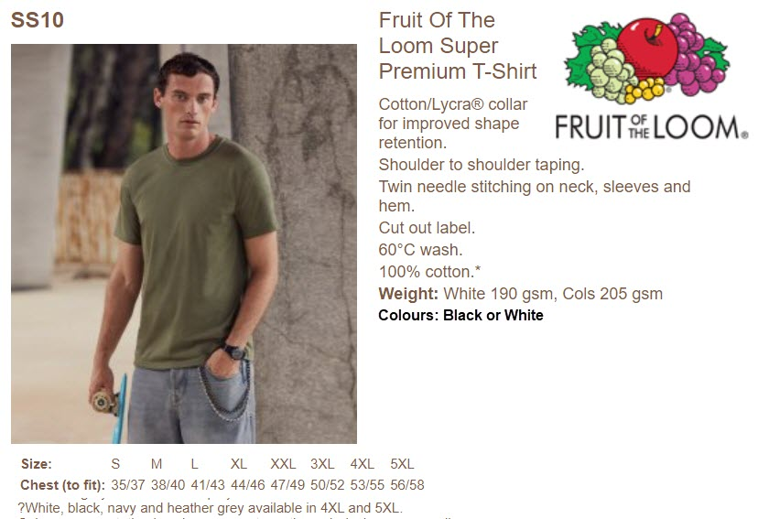
UKIFAC 2022 SHIRT ORDER FORM
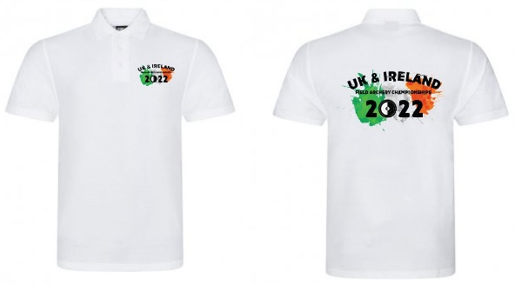
Use this form to place an order by emailing the attachment to

ukifac@ifaf.ie

PLEASE COMPLETE THE ORDER FORM CAREFULLY

NAME: |  |  |  |  |  |  |  |  | TOTAL PAYMENT

EMAIL ADDRESS: |  |  |  |  |  |  |  |  | € 0.00

PAYMENT IN FULL IS REQUIRED BEFORE THE ORDER WILL BE PLACED
Use the PayPal link and select payment option Send to Friends or Family to ensure the full amout received
https://www.paypal.com/paypalme2/UKIFAC2020

ORDER CLOSING DATE IS SUNDAY, 1ST MAY 2022
Order collection at UKIFAC Registration between Fri 8-Jul noon to 6pm, and Sat 9-Jul and Sun 10-Jul 8-9am

OPTION #1 - Sports Shirt (100% polyester)
CHEST SIZE | (Specify number of items required in the size box)

UNISEX | S | M | L | XL | 2XL | 2XL | 2XL | 2XL
inches | 38" | 39.5 | 41 | 42.5 | 44 | 46.5 | 49 | 51 | PRICE | QTY | TOTAL
WHITE | 0 | 0 | 0 | 0 | 0 | 0 | 0 | 0 | € 30.00 | 0 | € 0.00
BLACK | 0 | 0 | 0 | 0 | 0 | 0 | 0 | 0 | € 30.00 | 0 | € 0.00

 |  |  |  |  |  |  |  |  | SUB-TOTAL |  | € 0.00

OPTION #2 - Premium Polo Shirt (100% cotton)
CHEST SIZE | (Specify number of items required in the size box)

MENS | S | M | L | XL | 2XL | 3XL
inches | 35/37 | 38/40 | 41/43 | 44/46 | 47/49 | 50/52 |  |  | PRICE | QTY | TOTAL
WHITE | 0 | 0 | 0 | 0 | 0 | 0 |  |  | € 25.00 | 0 | € 0.00
BLACK | 0 | 0 | 0 | 0 | 0 | 0 |  |  | € 25.00 | 0 | € 0.00

WOMENS | XS | S | M | L | XL | 2XL
sizing | 8 | 10 | 12 | 14 | 16 | 18 |  |  | PRICE | QTY | TOTAL
WHITE | 0 | 0 | 0 | 0 | 0 | 0 |  |  | € 25.00 | 0 | € 0.00
BLACK | 0 | 0 | 0 | 0 | 0 | 0 |  |  | € 25.00 | 0 | € 0.00

 |  |  |  |  |  |  |  |  | SUB-TOTAL |  | € 0.00

OPTION #3 - Premium T-Shirt (100% cotton)
CHEST SIZE | (Specify number of items required in the size box) |  |  |  |  |  |  |  | PRICE | QTY | TOTAL

UNISEX | S | M | L | XL | 2XL | 3XL | 4XL | 5XL
inches | 35/37 | 38/40 | 41/43 | 44/46 | 47/49 | 50/52 | 53/55 | 56/58 | PRICE | QTY | TOTAL
WHITE | 0 | 0 | 0 | 0 | 0 | 0 | 0 | 0 | € 25.00 | 0 | € 0.00
BLACK | 0 | 0 | 0 | 0 | 0 | 0 | 0 | 0 | € 25.00 | 0 | € 0.00

 |  |  |  |  |  |  |  |  | SUB-TOTAL |  | € 0.00

