Bow styles
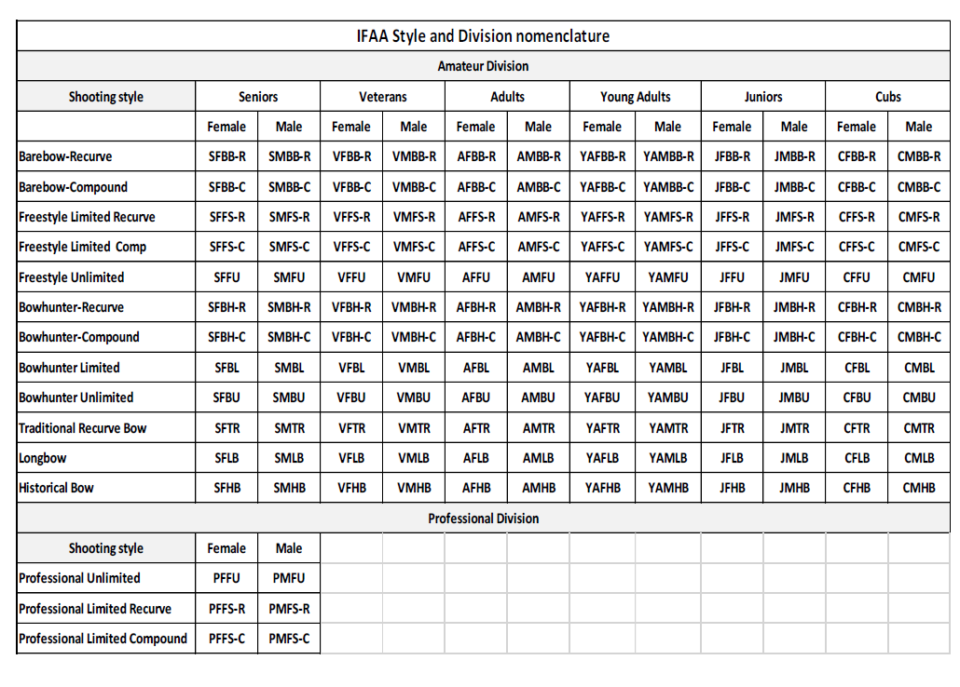
BBC | Barebow Compound | AM
FSC | Freestyle Compound | AF
FU | Freestyle Unlimited | CM
BHC | Bowhunter Compound | CF
BL | Bowhunter Limited | JM
BU | Bowhunter Unlimited | JF
BBR | Barebow Recurve
BHR | Bowhunter Recurve
FSR | Freestyle Recurve
TR | Traditional Recurve
LB | Longbow
HB | Historical Bow

 | 144
 | 432

